2023 Criteria
2024 GREEN Miami-Dade County Matching Grant Selection Committee Criteria |  |  | 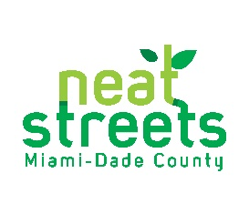 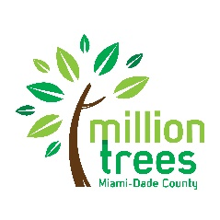

Selection Panelist Name:
Applicant Name:
Title of Project:

 | Preferences | Project Enhancements | Resiliency/Impact
 | Is the proposed planting location 10% or below tree canopy average (qualifies for reduced match)? | Does the project include shading a bus/transit stop? | Does this project support biodiversity (1 new species for every 10 trees planted)?
 | Is the proposed planting location between 11-20% tree canopy average? | Does the project include shading a playground? | Will trees be planted in a reported FEMA flood zone (AE, AH, VE, A, D)?
 | Is the proposed planting location within 4th or 5th quintile distribution of Median Household Income ($48,100)? | Does the project include shading a gateway, corridor, and/or connection to a school and/or park? | How many trees will be planted?
 | Does the Applicant have a tree trust fund? | Does the project include planting in a school, park, library, and/or public housing site? | Is the Applicant applying for the GREEN MDC Matching Grant for first time?
 |  | Are the trees being planted replacing trees lost due to a natural disaster? | Is the planting the next phase of a previous GREEN MDC/STMG planting?
 |  | Is this project planting trees on local/neighborhood streets? | Does this planting fulfill elements of an established community plan?
Possible Total | Up to 60 points | Up to 20 points | Up to 20 points
Total:

 |  | TOTAL SCORE (out of 100) | 0

