MD_GL0506_LBR_DIST - Labor Dist
Instructions on how to pull MD_GL0506_LBR_DIST - Labor Distribution Report

Step 1 | Open INFORMS, you can use the following link to access INFORMS:
https://informs.miamidade.gov/psc/EIH91PRD/EMPLOYEE/EMPL/c/NUI_FRAMEWORK.PT_LANDINGPAGE.GBL

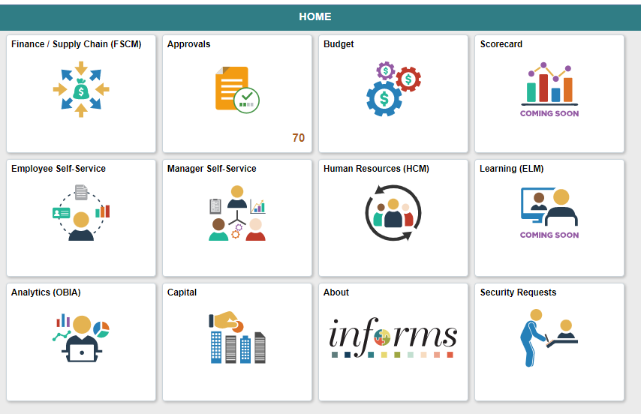

Step 2 | Click on the Finance/Supply Chain (FSCM) Tile
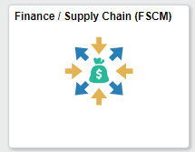

Step 3 | Click on the Finance & Accounting Tile
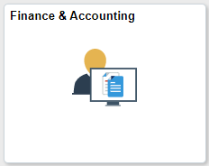

Step 4 | Click on the GL Work Center Tile
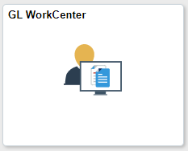

Step 5 | Scroll down to the Reports/Process selection and click on Query Viewer option
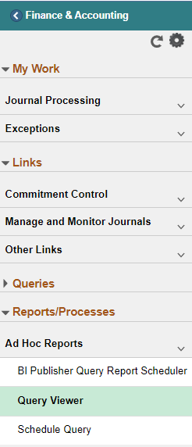

Step 6 | Enter MD_GL0506_LBR_DIST as you search option and then click on the search Button

Step 7 | Afterwards, your report will appear. Click on the Excel hyperlink to download the report
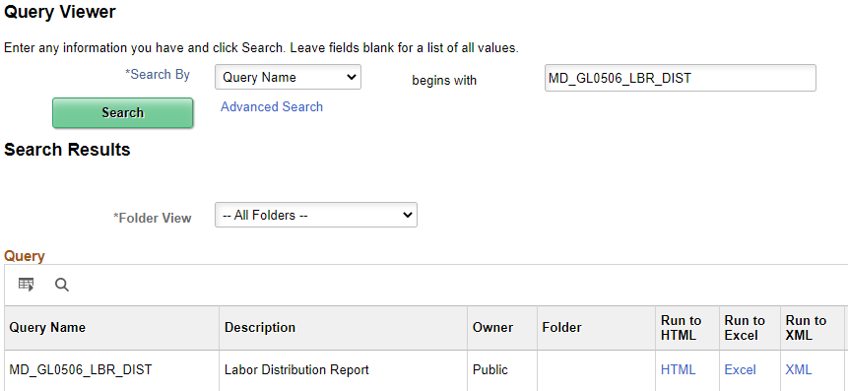

Step 8 | Enter the First Two Letters of your department; then enter your Date Range and click on View Results

Step 9 | Click on the Excel Report you downloaded and use the data as necessary

